Project450
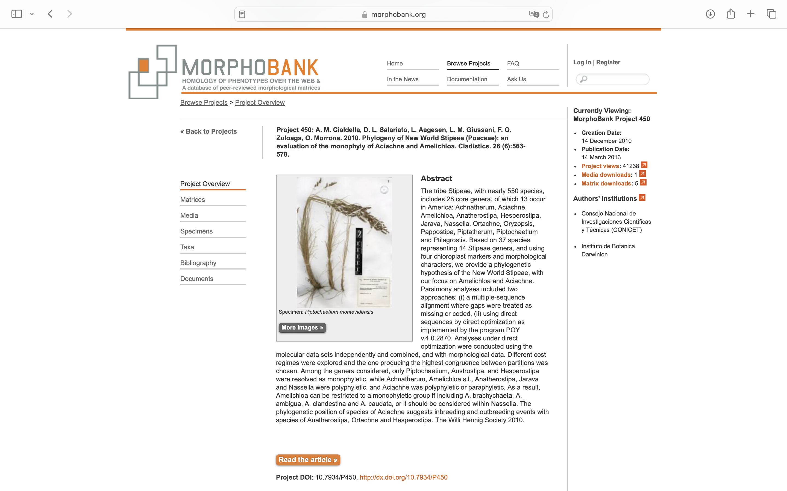
Charlabels | Character Pattern | Unseen States
[1] 'Tube' | Transformational | YES
[2] 'Radioles' | Transformational | YES
[3] 'Number of radioles' | Transformational | YES
[4] 'Displaced pinnules' | Neomorphic | NO
[5] 'Dorsalmost margins of branchial lobes' | Transformational | YES
[6] 'Interior of ventral filamentous appendages' | Transformational | YES
[7] 'Ventral filamentous appendages' | Transformational | NO
[8] 'Dorsal lips' | Neomorphic | NO
[9] 'Dorsal lip shape' | Transformational | YES
[10] 'Ventral margin of branchial lobe' | Transformational | YES
[11] 'Branchial lobe shape' | Transformational | YES
[12] 'Branchial crown location' | Transformational | YES
[13] 'Mid-dorsal collar margin' | Transformational | NO
[14] 'Anterior peristomial ring collar' | Transformational | YES
[15] 'Anterior peristomial ring dimensions' | Transformational | YES
[16] 'APR relative to PPR' | Transformational | NO
[17] 'Thorax' | Transformational | YES
[18] 'Peristomial eye color' | Transformational | YES
[19] 'Pygidial eyes' | Neomorphic | NO
[20] 'Eyes in preservation' | Neomorphic | NO
[21] 'Inferior thoracic notosetae' | Transformational | YES
[22] 'Distribution of pseudospatulate setae' | Transformational | YES
[23] 'Abdominal neurochaetae' | Transformational | YES
[24] 'Inferior uncini in setigers 2-3' | Transformational | YES
[25] 'Dentition above main fang of thoracic uncini' | Transformational | YES
[26] 'Dentition of abdominal uncini' | Transformational | NO
[27] 'Abdominal uncini teeth size' | Transformational | YES
[28] 'Abdominal uncini manubrium length' | Transformational | YES
[29] 'Proximal end of manubrium' | Transformational | YES
[30] 'Number of abdominal setigers' | Transformational | YES
[31] 'Body-wall spicules' | Neomorphic | NO
[32] 'Distribution of spermiogenesis' | Transformational | YES
[33] 'Pattern of spermiogenesis' | Transformational | YES
[34] 'Sperm duct' | Transformational | YES
[35] 'Mode of reproduction' | Transformational | YES
[36] 'Sperm storage tissue' | Transformational | YES
[37] 'Sperm storage position' | Transformational | YES
[38] 'Structure of spermathecae' | Transformational | NO
[39] 'Pigmentation of spermathecae' | Neomorphic | NO
[40] 'Shape of sperm nucleus' | Transformational | YES
[41] 'Sperm nuclear axis' | Transformational | YES
[42] 'Curvature of sperm nucleus' | Transformational | YES
[43] 'Spiral ridge in sperm nucleus' | Neomorphic | NO
[44] 'Sperm nuclear projection' | Neomorphic | NO
[45] 'Shape of sperm nuclear projection' | Transformational | YES
[46] 'Thickening of sperm nuclear membrane' | Neomorphic | NO
[47] 'Sperm mitochondrial sheath' | Transformational | YES
[48] 'Sperm extra-axonemal sheath' | Neomorphic | NO
[49] 'Development of extra-axonemal sheath' | Transformational | YES
[50] 'Sperm acrosome' | Transformational | YES

